Tuck Interview Prep
Story | Situation | Task | Actions | Result | So what | topics this covers | Common Mistakes
10 A*s in Final Exams | - we had external final examinations | - No one had ever gotten 9 straight A*s in the history of my school, and I wanted to be the first to do it | - in my own life I've done this by being the best in my year group of about 70+ students, by God's Grace - I asked for God's Grace and about a year before printed dozens of past year problems. - My final year schedule was so tight, so I went to bed early right after school and woke up at night to time myslef while solving the problems - I worked with my teachers and got their feedback on my answers and they even graded my past problems for some subjects | - by God's Grace got 10A*s and broke my school's historal academic record, - earned the highest national mark for one of my courses. | - This experience taught me that with resilience, there is no record I can't break and I intend to contribute this work to Morgan Stanley's existing culture of excellence and innovation | - proudest achievement - difficult challenge. - overcoming odds/ challenges | didn't practice their story - having ums and uhs, and pauses that demonstrate you haven't done this much Record your video and watch yourself back at least 8 times
 |  |  |  |  |  |  | Having a question for the interviewer at the end of the interview

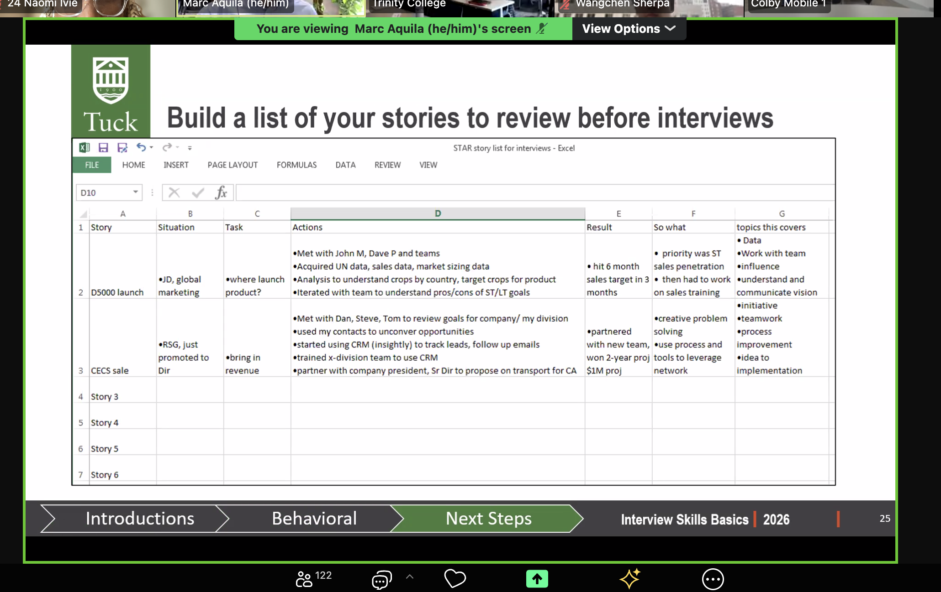
 | - we had external final examinations | - No one had ever gotten 9 straight A*s in the history of my school, and I wanted to be the first to do it | - attracted to dedication to excellence and innovation. - in my own life I've done this by being the best in my year group of about 70+ students, by God's Grace - I asked for God's Grace and about a year before printed dozens of past year problems. - My final year schedule was so tight, so I went to bed early right after school and woke up at night to time myslef while solving the problems - I worked with my teachers and got their feedback on my answers and they even graded my past problems for some subjects | - by God's Grace got 10A*s and broke my school's historal academic record, - earned the highest national mark for one of my courses. | - This experience taught me that with resilience, there is no record I can't break and I intend to contribute this work to Morgan Stanley's existing culture of excellence and innovation | Why MS and IB
Why MS and IB |  |  | - attracted to dedication to excellence and innovation. - in my own life I've done this by breaking my high school's record of first student in the school's __ year histroy to achieve 10A*s and graduated as valedictorian in my year group of about 70+ students, by God's Grace
 |  |  | - this winter I am taking a business training from Dartmouth's Tuck School of Business, and learning over 200hours + classes in Corporate Finance, Accounting, etc - At wesleyan I've also taken financial crises, and macro/microeconomcis classes etc.
 |  |  | - MS is one of the most respected banks in the world and attracts many talented and competent people and so this would be a great opportunity to learn from them
 |  |  | My interest in finance started at Wesleyan, when I joined the wesleyan Investments Group and started learning abut. - Joined Wesleyan Women in Finance for diverse support from women - Went through to
Why your background and experience are a good fit for this role |  |  | - This summer I worked as a data analyst at a software startup in Nigeria, building financial models to forecast the company's future value based on histrocial data, and performed a competiitve analysis of trends across African markets with publicly traded co - In high school I also ran the finance teams of a continental scale conference, planning expenditure for various conference activities. inform the company's futurefinancial data from African markets and - Major in economics, taking classes like financial crises, - Demonstrated interest in finance and IB, taken classes on finacial modelling and valuation, working on a capstone project researching a company, its operations, cash flows, historical financial data, etc to determine if the current share price is the accurate one. - Demostrated my interest being financial manager of my school's African Dance club, Tuck Business Bridge, Wesleyan Women in Finance | - These have given me experience in building financial models, great experience in pitching and delivering presentaitons, and leading and collaborating in teams. I am excited to bring this experience with me to morgan stanley
Why your background and experience are a good fit for this role |  |  | - Data Analyst at Beza - ALAMAU - Tuck Business Bridge Valuing a Publicly Traded Company | - building financial models, - experience in delivering presentaitons, - leading and collaborating in teams.

